Sheet1
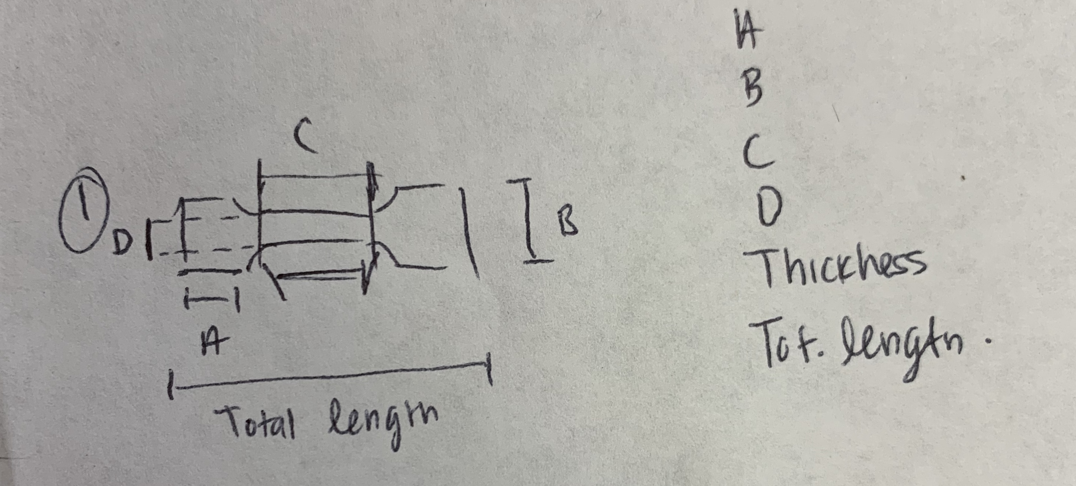
ASTM 1708 | 8 | 15 | 22 | 5 | 3 | 38
group | A | B | C | D | Thickness | Total Length | mm | Neck
1A | 7.65 | 11.88 | 19 | 3.55 | 2.92 | 33.43 |  | 13.65 | 30 hz | 66 | kpa
2A | 7.65 | 11.94 | 17.95 | 3.89 | 3.08 | 32.4 |  | 12.86 |  | 78.6
3A | 7.53 | 11.94 | 18.41 | 3.6 | 3.05 | 32.85 |  | 13.1 |  | 70.5
4A | NA | NA | NA | NA | NA | NA

1B | 7.46 | 11.66 | 19 | 3.8 | 3.34 | 32.331 |  | 13.28 | 10 hz | 48.8 | kpa
2B | 7.46 | 11.68 | 19 | 3.52 | 2.81 | 32.331 |  | 13.61 |  | 39.1 | kpa
3B | 7.47 | 11.87 | 20.15 | 3.46 | 2.97 | 34.83 |  | 13.4 |  | 22.1 | kpa

